_Carbon Tax Intervention
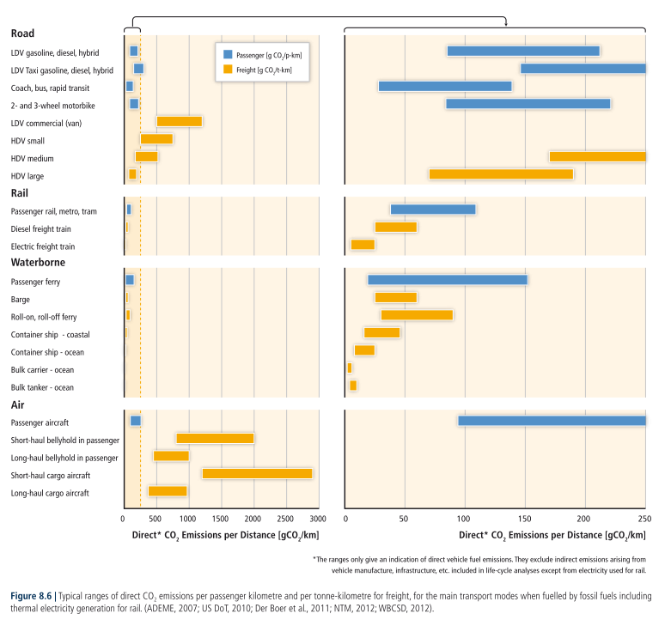
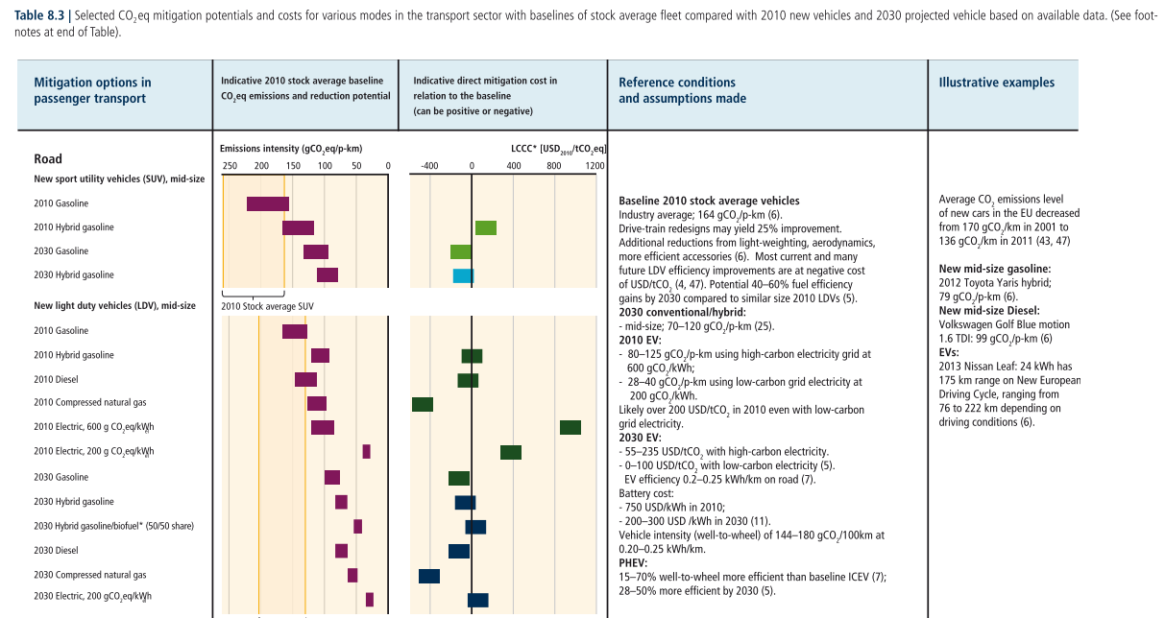
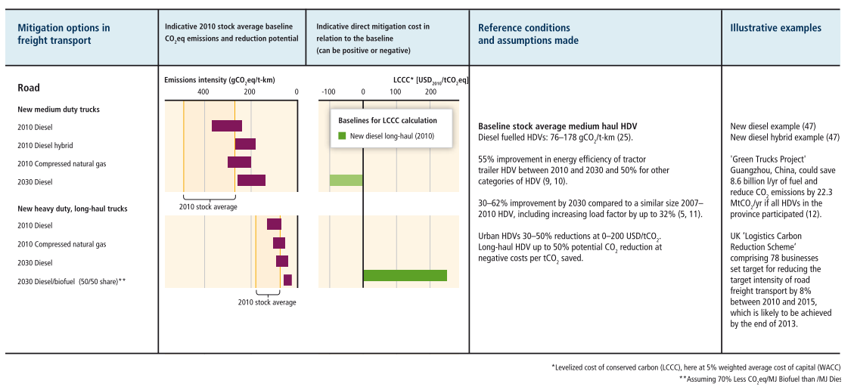
Interventions - Carbon Tax

 | Intervention Options
1 | No Carbon Tax | No carbon taxes are imposed as a policy intervention in the model.
2 | Static Carbon Tax | Carbon taxes are specified in each geography, but the tax does not change dynamically.
3 | Dynamic Carbon Tax (low) | Carbon taxes are specified in each geography, and the tax changed dynamically over the modelling period.
4 | Dynamic Carbon Tax (high)
5 | (insert intervention option here)

 |  | Intervention Selection | Options: (select/copy from list above)
 | Brazil | No Carbon Tax
 | China | No Carbon Tax
 | EU | No Carbon Tax
 | India | No Carbon Tax
 | US | No Carbon Tax
 | Rest of World | No Carbon Tax

1 | No Carbon Tax

 |  | Initial Intervention Year Tax |  | 2020 | 2021 | 2022 | 2023 | 2024 | 2025 | 2026 | 2027 | 2028 | 2029 | 2030 | 2031 | 2032 | 2033 | 2034 | 2035 | 2036 | 2037 | 2038 | 2039 | 2040 | 2041 | 2042 | 2043 | 2044 | 2045
 | Brazil | 0 | USD/tCO2e | 0 | 0 | 0 | 0 | 0 | 0 | 0 | 0 | 0 | 0 | 0 | 0 | 0 | 0 | 0 | 0 | 0 | 0 | 0 | 0 | 0 | 0 | 0 | 0 | 0 | 0 | USD/tCO2e
 | China | 0 | USD/tCO2e | 0 | 0 | 0 | 0 | 0 | 0 | 0 | 0 | 0 | 0 | 0 | 0 | 0 | 0 | 0 | 0 | 0 | 0 | 0 | 0 | 0 | 0 | 0 | 0 | 0 | 0 | USD/tCO2e
 | EU | 0 | USD/tCO2e | 0 | 0 | 0 | 0 | 0 | 0 | 0 | 0 | 0 | 0 | 0 | 0 | 0 | 0 | 0 | 0 | 0 | 0 | 0 | 0 | 0 | 0 | 0 | 0 | 0 | 0 | USD/tCO2e
 | India | 0 | USD/tCO2e | 0 | 0 | 0 | 0 | 0 | 0 | 0 | 0 | 0 | 0 | 0 | 0 | 0 | 0 | 0 | 0 | 0 | 0 | 0 | 0 | 0 | 0 | 0 | 0 | 0 | 0 | USD/tCO2e
 | US | 0 | USD/tCO2e | 0 | 0 | 0 | 0 | 0 | 0 | 0 | 0 | 0 | 0 | 0 | 0 | 0 | 0 | 0 | 0 | 0 | 0 | 0 | 0 | 0 | 0 | 0 | 0 | 0 | 0 | USD/tCO2e
 | Rest of World | 0 | USD/tCO2e | 0 | 0 | 0 | 0 | 0 | 0 | 0 | 0 | 0 | 0 | 0 | 0 | 0 | 0 | 0 | 0 | 0 | 0 | 0 | 0 | 0 | 0 | 0 | 0 | 0 | 0 | USD/tCO2e

2 | Static Carbon Tax

 |  | Initial Intervention Year Tax |  | 2020 | 2021 | 2022 | 2023 | 2024 | 2025 | 2026 | 2027 | 2028 | 2029 | 2030 | 2031 | 2032 | 2033 | 2034 | 2035 | 2036 | 2037 | 2038 | 2039 | 2040 | 2041 | 2042 | 2043 | 2044 | 2045
 | Brazil | 50 | USD/tCO2e | 0 | 0 | 0 | 50 | 50 | 50 | 50 | 50 | 50 | 50 | 50 | 50 | 50 | 50 | 50 | 50 | 50 | 50 | 50 | 50 | 50 | 50 | 50 | 50 | 50 | 50 | USD/tCO2e
 | China | 50 | USD/tCO2e | 0 | 0 | 0 | 50 | 50 | 50 | 50 | 50 | 50 | 50 | 50 | 50 | 50 | 50 | 50 | 50 | 50 | 50 | 50 | 50 | 50 | 50 | 50 | 50 | 50 | 50 | USD/tCO2e
 | EU | 50 | USD/tCO2e | 0 | 0 | 0 | 50 | 50 | 50 | 50 | 50 | 50 | 50 | 50 | 50 | 50 | 50 | 50 | 50 | 50 | 50 | 50 | 50 | 50 | 50 | 50 | 50 | 50 | 50 | USD/tCO2e
 | India | 50 | USD/tCO2e | 0 | 0 | 0 | 50 | 50 | 50 | 50 | 50 | 50 | 50 | 50 | 50 | 50 | 50 | 50 | 50 | 50 | 50 | 50 | 50 | 50 | 50 | 50 | 50 | 50 | 50 | USD/tCO2e
 | US | 50 | USD/tCO2e | 0 | 0 | 0 | 50 | 50 | 50 | 50 | 50 | 50 | 50 | 50 | 50 | 50 | 50 | 50 | 50 | 50 | 50 | 50 | 50 | 50 | 50 | 50 | 50 | 50 | 50 | USD/tCO2e
 | Rest of World | 50 | USD/tCO2e | 0 | 0 | 0 | 50 | 50 | 50 | 50 | 50 | 50 | 50 | 50 | 50 | 50 | 50 | 50 | 50 | 50 | 50 | 50 | 50 | 50 | 50 | 50 | 50 | 50 | 50 | USD/tCO2e

3 | Dynamic Carbon Tax (low)

 |  | Initial Intervention Year Tax |  | 2020 | 2021 | 2022 | 2023 | 2024 | 2025 | 2026 | 2027 | 2028 | 2029 | 2030 | 2031 | 2032 | 2033 | 2034 | 2035 | 2036 | 2037 | 2038 | 2039 | 2040 | 2041 | 2042 | 2043 | 2044 | 2045
 | Brazil | 50 | USD/tCO2e | 0 | 0 | 0 | 50 | 54.5 | 59.1 | 63.6 | 68.2 | 72.7 | 77.3 | 81.8 | 86.4 | 90.9 | 95.5 | 100.0 | 104.5 | 109.1 | 113.6 | 118.2 | 122.7 | 127.3 | 131.8 | 136.4 | 140.9 | 145.5 | 150 | USD/tCO2e
 | China | 50 | USD/tCO2e | 0 | 0 | 0 | 50 | 54.5 | 59.1 | 63.6 | 68.2 | 72.7 | 77.3 | 81.8 | 86.4 | 90.9 | 95.5 | 100.0 | 104.5 | 109.1 | 113.6 | 118.2 | 122.7 | 127.3 | 131.8 | 136.4 | 140.9 | 145.5 | 150 | USD/tCO2e
 | EU | 50 | USD/tCO2e | 0 | 0 | 0 | 50 | 54.5 | 59.1 | 63.6 | 68.2 | 72.7 | 77.3 | 81.8 | 86.4 | 90.9 | 95.5 | 100.0 | 104.5 | 109.1 | 113.6 | 118.2 | 122.7 | 127.3 | 131.8 | 136.4 | 140.9 | 145.5 | 150 | USD/tCO2e
 | India | 50 | USD/tCO2e | 0 | 0 | 0 | 50 | 54.5 | 59.1 | 63.6 | 68.2 | 72.7 | 77.3 | 81.8 | 86.4 | 90.9 | 95.5 | 100.0 | 104.5 | 109.1 | 113.6 | 118.2 | 122.7 | 127.3 | 131.8 | 136.4 | 140.9 | 145.5 | 150 | USD/tCO2e
 | US | 17 | USD/tCO2e | 0 | 0 | 0 | 17 | 23.0 | 29.1 | 35.1 | 41.2 | 47.2 | 53.3 | 59.3 | 65.4 | 71.4 | 77.5 | 83.5 | 89.5 | 95.6 | 101.6 | 107.7 | 113.7 | 119.8 | 125.8 | 131.9 | 137.9 | 144.0 | 150 | USD/tCO2e
 | Rest of World | 50 | USD/tCO2e | 0 | 0 | 0 | 50 | 54.5 | 59.1 | 63.6 | 68.2 | 72.7 | 77.3 | 81.8 | 86.4 | 90.9 | 95.5 | 100.0 | 104.5 | 109.1 | 113.6 | 118.2 | 122.7 | 127.3 | 131.8 | 136.4 | 140.9 | 145.5 | 150 | USD/tCO2e

4 | Dynamic Carbon Tax (high)

 |  | Initial Intervention Year Tax |  | 2020 | 2021 | 2022 | 2023 | 2024 | 2025 | 2026 | 2027 | 2028 | 2029 | 2030 | 2031 | 2032 | 2033 | 2034 | 2035 | 2036 | 2037 | 2038 | 2039 | 2040 | 2041 | 2042 | 2043 | 2044 | 2045
 | Brazil | 50 | USD/tCO2e | 0 | 0 | 0 | 50 | 61.4 | 72.7 | 84.1 | 95.5 | 106.8 | 118.2 | 129.5 | 140.9 | 152.3 | 163.6 | 175.0 | 186.4 | 197.7 | 209.1 | 220.5 | 231.8 | 243.2 | 254.5 | 265.9 | 277.3 | 288.6 | 300 | USD/tCO2e
 | China | 50 | USD/tCO2e | 0 | 0 | 0 | 50 | 61.4 | 72.7 | 84.1 | 95.5 | 106.8 | 118.2 | 129.5 | 140.9 | 152.3 | 163.6 | 175.0 | 186.4 | 197.7 | 209.1 | 220.5 | 231.8 | 243.2 | 254.5 | 265.9 | 277.3 | 288.6 | 300 | USD/tCO2e
 | EU | 50 | USD/tCO2e | 0 | 0 | 0 | 50 | 61.4 | 72.7 | 84.1 | 95.5 | 106.8 | 118.2 | 129.5 | 140.9 | 152.3 | 163.6 | 175.0 | 186.4 | 197.7 | 209.1 | 220.5 | 231.8 | 243.2 | 254.5 | 265.9 | 277.3 | 288.6 | 300 | USD/tCO2e
 | India | 50 | USD/tCO2e | 0 | 0 | 0 | 50 | 61.4 | 72.7 | 84.1 | 95.5 | 106.8 | 118.2 | 129.5 | 140.9 | 152.3 | 163.6 | 175.0 | 186.4 | 197.7 | 209.1 | 220.5 | 231.8 | 243.2 | 254.5 | 265.9 | 277.3 | 288.6 | 300 | USD/tCO2e
 | US | 200 | USD/tCO2e | 0 | 0 | 0 | 200 | 204.5 | 209.1 | 213.6 | 218.2 | 222.7 | 227.3 | 231.8 | 236.4 | 240.9 | 245.5 | 250.0 | 254.5 | 259.1 | 263.6 | 268.2 | 272.7 | 277.3 | 281.8 | 286.4 | 290.9 | 295.5 | 300 | USD/tCO2e
 | Rest of World | 50 | USD/tCO2e | 0 | 0 | 0 | 50 | 61.4 | 72.7 | 84.1 | 95.5 | 106.8 | 118.2 | 129.5 | 140.9 | 152.3 | 163.6 | 175.0 | 186.4 | 197.7 | 209.1 | 220.5 | 231.8 | 243.2 | 254.5 | 265.9 | 277.3 | 288.6 | 300 | USD/tCO2e

